Introduction
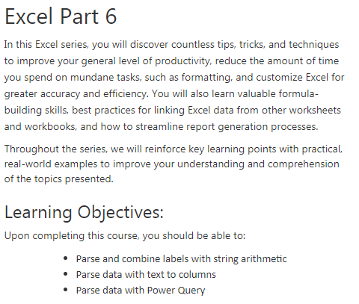

Presented by:
K2E Canada Inc.
Ward Blatch, CPA, CA
ward@k2e.ca
www.k2e.ca

Parse Formula
=LEFT(A2,SEARCH(" ",A2)-1)
=Right(A2,Len(A2)-SEARCH(" ",A2))
Full Name
Randolph Johnston
Thomas Stephens
Ward Blatch
Marion Williams
Karen Granville
David Millette
Lawrence McClelland
Brian Tankersley
Stephen Yoss
Marilyn Benniger

